Main
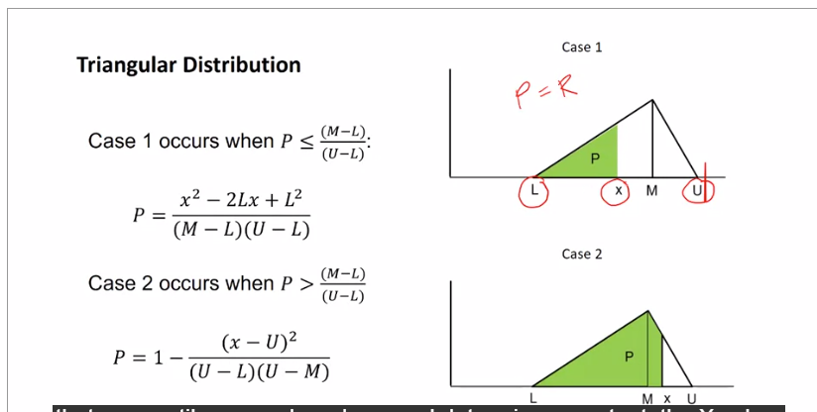
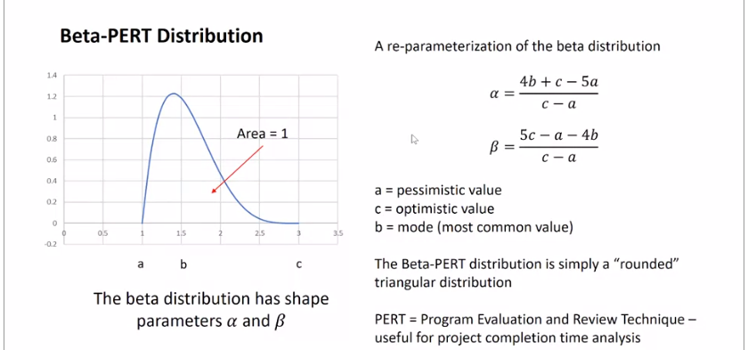
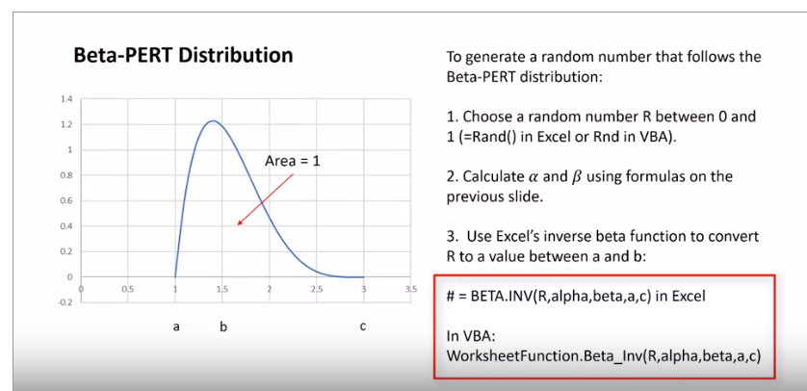
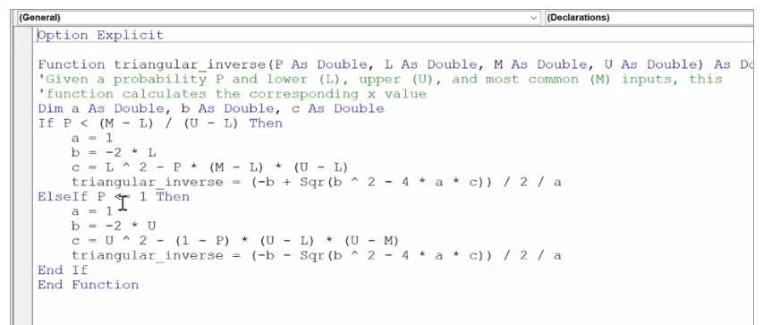
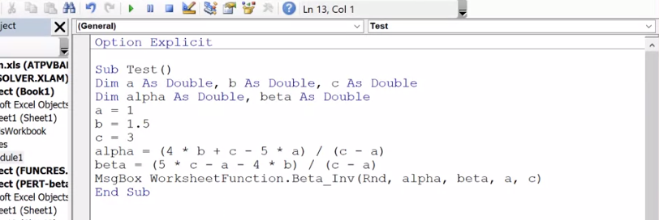
1 batch of Cookies
 | specific cost | units | amt. | units | other | units | total cost per batch
Flour | $0.62 | per lb | 2.25 | cups | 125 | g/cup | $0.38
Baking soda | $2.79 | per lb | 1 | tsp | 2.2 | g/cm^3 | $0.07
Salt | $0.06 | per oz. | 1 | tsp | 2.16 | g/cm^3 | $0.02
Butter | $1.00 | per stick | 2 | sticks |  |  | $2.00
Sugar | $0.65 | per lb | 0.75 | cup | 1.59 | g/cm^3 | $0.40
Brown sugar | $2.95 | per lb | 0.75 | cup | 0.93 | g/cm^3 | $1.07
Vanilla | $2.08 | per fl. oz. | 1 | tsp |  |  | $0.35
Eggs | $0.25 | per egg | 2 | eggs, large |  |  | $0.50
Chocolate chips | $2.95 | per bag | 1 | bag |  |  | $2.95

 |  |  |  |  |  | Total: | $7.74

 |  |  |  |  |  | Total cookies: | 60
 |  |  |  |  |  | Per cookie: | $0.129

 |  |  |  |  |  | Selling price: | $0.25 | per cookie
*IMPORTANT: DO NOT DELETE THIS SHEET |  |  |  |  |  | Profit: | $0.121 | per cookie
OR CHANGE ITS NAME!

Uniform |  |  |  |  |  | Discrete |  |  | normal
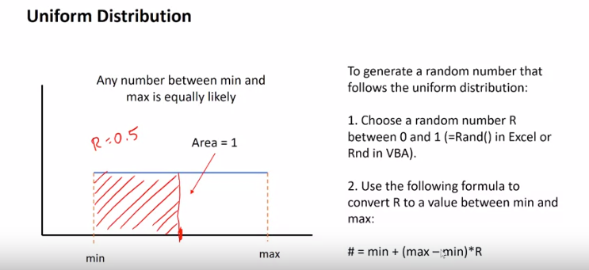
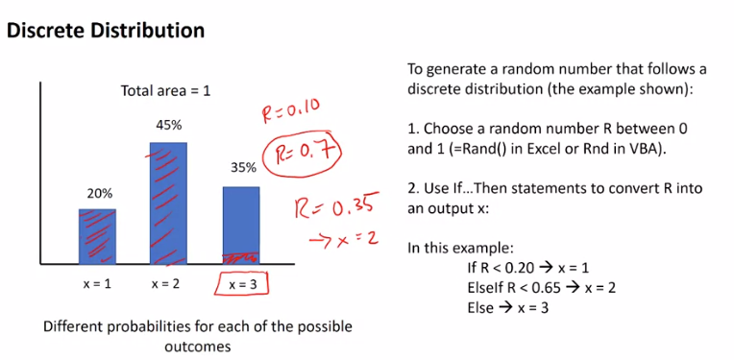
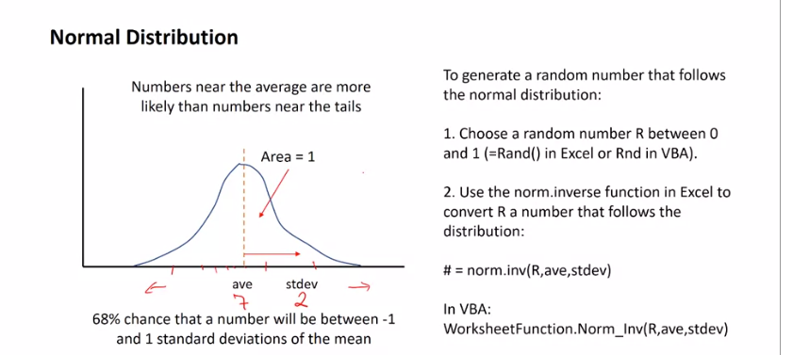



Triangular |  |  |  |  |  |  | Beta

Histogram
0.1197 | 7
0.1199 | 23
0.1201 | 60
0.1203 | 78
0.1205 | 73
0.1207 | 73
0.1209 | 83
0.1211 | 68
0.1213 | 72
0.1215 | 77
0.1217 | 83
0.1219 | 75
0.1221 | 72
0.1223 | 73
0.1225 | 57
0.1227 | 22
0.1229 | 4

